Sheet1
 |  |  |  |  |  |  |  | Calculated according to Eq 9 of the manuscript
f10 | f | X | delta X | deltaf | f10 | X | F | deltaF |  |  |  | delta F with error on f10 included taking error f10 1/2 error f1
0.4 | 0.45 | 0.246 | 0.005 | 0.005 | 0.4 | 0.246 | 0.247 | 0.01587 | 0.00023486185472 | 1.7066308383E-05 | 0.00010327847181 | 0.018846926405
0.4 | 0.5 | 0.419 | 0.005 | 0.005 | 0.4 | 0.419 | 0.261 | 0.00750 | 4.8068904825E-05 | 8.1111777142E-06 | 3.5600161767E-05 | 0.0095802006402
0.4 | 0.55 | 0.546 | 0.005 | 0.005 | 0.4 | 0.546 | 0.275 | 0.00486 | 1.7284882395E-05 | 6.3292457108E-06 | 2.0964993492E-05 | 0.0066767598128
0.4 | 0.6 | 0.641 | 0.005 | 0.005 | 0.4 | 0.641 | 0.288 | 0.00371 | 7.8417473672E-06 | 5.9233566402E-06 | 1.5211216873E-05 | 0.0053829658071
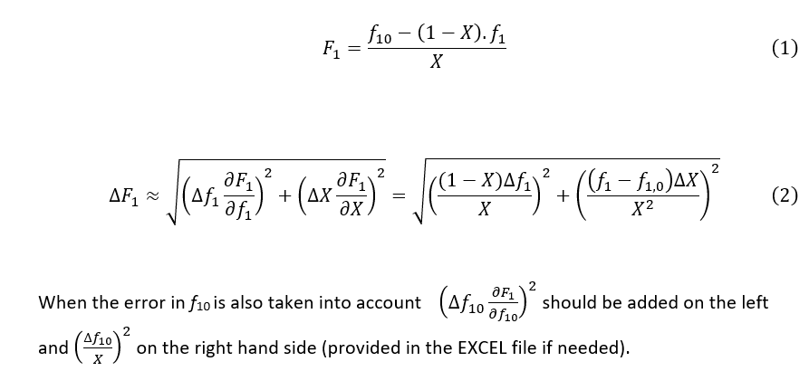
0.4 | 0.65 | 0.714 | 0.005 | 0.005 | 0.4 | 0.714 | 0.300 | 0.00317 | 4.0112123281E-06 | 6.0121136117E-06 | 1.2259805883E-05 | 0.0047205012258
0.4 | 0.7 | 0.771 | 0.005 | 0.005 | 0.4 | 0.771 | 0.311 | 0.00293 | 2.2054753962E-06 | 6.3674421198E-06 | 1.0514079614E-05 | 0.0043688668016
0.4 | 0.75 | 0.818 | 0.005 | 0.005 | 0.4 | 0.818 | 0.322 | 0.00284 | 1.2375882497E-06 | 6.8401067989E-06 | 9.3405706566E-06 | 0.0041735195825
0.4 | 0.8 | 0.856 | 0.005 | 0.005 | 0.4 | 0.856 | 0.333 | 0.00286 | 7.074853699E-07 | 7.4501485552E-06 | 8.5296750808E-06 | 0.0040850102822
0.4 | 0.85 | 0.888 | 0.005 | 0.005 | 0.4 | 0.888 | 0.343 | 0.00292 | 3.9769499229E-07 | 8.1416639566E-06 | 7.9260003246E-06 | 0.0040577529833
0.4 | 0.9 | 0.917 | 0.005 | 0.005 | 0.4 | 0.917 | 0.355 | 0.00301 | 2.0481300148E-07 | 8.8389906534E-06 | 7.4326100115E-06 | 0.0040591148871
0.4 | 0.95 | 0.945 | 0.005 | 0.005 | 0.4 | 0.945 | 0.368 | 0.00309 | 8.4684079393E-08 | 9.4828341192E-06 | 6.9986842474E-06 | 0.0040701600025
0.5 | 0.53 | 0.543728 | 0.02 | 0.02 | 0.5 | 0.544 | 0.475 | 0.01691 | 0.00028167235938 | 4.1188474585E-06 | 0.00033824906416 | 0.024980798046
0.5 | 0.57 | 0.794915 | 0.02 | 0.02 | 0.5 | 0.795 | 0.482 | 0.00562 | 2.6624802879E-05 | 4.9087769956E-06 | 0.00015825542831 | 0.013776393149
0.5 | 0.58 | 0.827081 | 0.02 | 0.02 | 0.5 | 0.827 | 0.483 | 0.00479 | 1.7484343641E-05 | 5.470761584E-06 | 0.00014618537012 | 0.013005401776
0.5 | 0.59 | 0.852889 | 0.02 | 0.02 | 0.5 | 0.853 | 0.484 | 0.00425 | 1.1900501412E-05 | 6.1231508295E-06 | 0.00013747222873 | 0.012469798754
0.5 | 0.6 | 0.873845 | 0.02 | 0.02 | 0.5 | 0.874 | 0.486 | 0.00390 | 8.3368140721E-06 | 6.8599724074E-06 | 0.00013095774516 | 0.012089438847
0.5 | 0.69 | 0.959528 | 0.02 | 0.02 | 0.5 | 0.960 | 0.492 | 0.00421 | 7.1162962488E-07 | 1.7034782136E-05 | 0.00010861372168 | 0.011241002333
0.5 | 0.79 | 0.985034 | 0.02 | 0.02 | 0.5 | 0.985 | 0.496 | 0.00599 | 9.2335569231E-08 | 3.5731488029E-05 | 0.00010306176073 | 0.011784972818
0.5 | 0.89 | 0.994356 | 0.02 | 0.02 | 0.5 | 0.994 | 0.498 | 0.00789 | 1.2886951801E-08 | 6.2233125208E-05 | 0.00010113842885 | 0.01278219234
0.5 | 0.99 | 0.999256 | 0.02 | 0.02 | 0.5 | 0.999 | 0.500 | 0.00981 | 2.2174423267E-10 | 9.6326347448E-05 | 0.00010014896623 | 0.014016973119

